Calculations
 |  |  |  | Lunar Settlement Calculations
 |  |  |  | Location, Step 1
 |  |  |  | Mt. Malapert & Scott Massif

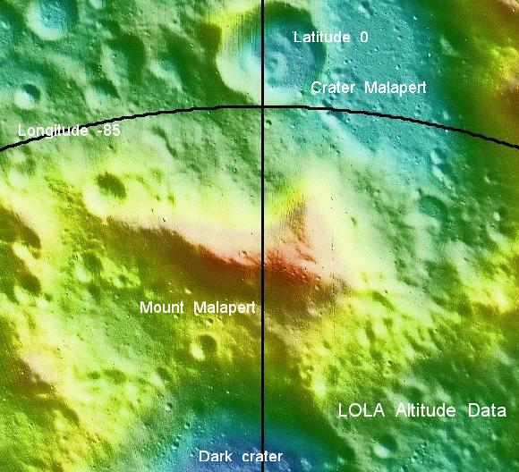
Tom Riley |  |  |  | Beta Version
18-Jan-14
File: BMDLocationCalExcelmmddyy.xlsx

Purpose: | This spreadsheet was used in writing the short story,
 | "The Big Moon Dig"
 | and the lite game, Location, Step 1

1. Physical constants for Moon

Earth Radii/Diameter |  |  | 6371 | km | 12742 | km
Earth Moon Distance |  |  | 384399 | km

Moon Radius/Dia |  |  | 1737 | km | 3474 | km
Moon Circumference |  |  | 10914 | km
Orbital period |  |  | 29.2 | Days
Lunar Disk |  |  | 0.009037 | rad | 0.52 | degree
Degree Longitude |  |  | 30.316 | km

Mean inclination to orbit to ecliptic |  |  | 5.14 | degree
Min inclination to orbit to ecliptic |  |  | 4.99 | degree | -0.15 | degree
Max inclination to orbit to ecliptic |  |  | 5.30 | degree | 0.16 | degree

Moon Orbit inclination |  |  | 5.15 | degree
Moon axis tilt |  |  | 1.55 | degree

Earth Sun Distance |  |  | 148348276.00 | km
Sun Diameter |  |  | 1392684.00 | km
Solar Disk |  |  | 0.009388 | rad | 0.54 | degree

Speed of Light |  |  | 299792 | km/sec
Geostationary orbit |  |  | 35,786 | km

2. Human Rules of Thumb

Width of Hand |  | 8.0 | cm | 3.3 | (inches)
Width of Finger |  | 1.5 | cm | 0.6 | (inches)
Length of arm |  | 60.0 | cm | 24.5 | (inches)
inch/cm |  | 0.4 | units
Finger at arms length |  | 1.4 | degree
Hand at arms length |  | 7.7 | degree

3. Data on Mt. Malapert

Crater Malapert Lat/log |  | 84.9 | degree | 12.9 | degree | South
Malapert Lat/Longitude |  | 85.8 | degree | -3.1 | degree | South
Malapert Alt |  | 5.3 | km |  |  | Estimate
Malapert to pole |  | 127.3 | km | 4.2 | degree
Haworth Alt |  | 2.1 | km |  |  | Alti
Delta Alt |  | 3.2 | km

4. Data on Scott Massif

Crater Scott A Lat/log |  | -88.1 | degree | 44.9 | degree | South
Scott Lat/Longitude |  | -84.7 | degree | 34.0 | degree | South
Scott Alt |  | 7.0 | km |  | Higher than Malapert
Scott to pole |  | 160.7 | km | 5.3 | degree

5. Data on South Pole-Aitken Basin

Depth |  | -5.175 | km |  | at -45, 180
Diameter |  | 2500 | km

Total Avantage |  | 10.475 | km
Advantage angle Mt + basin |  | 6.29 | degree | -83.71 | degree | 191 | km
Advantage angle Mt only |  | 4.47 | degree |  |  |  | approximant
Advantage angle Mt only |  | 4.42 | degree

5. Calculations of apparent size & angle of Earth

Moon Disk from Earth |  | 0.009 | rad | 0.518 | degree | 0.4 | finger
Earth Disk from Moon |  | 0.033 | rad | 1.899 | degree | 1.3 | finger

Ratio E/M |  | 3.67 | units
Lunar Eclipse time |  | 347 | Minutes | 5.79 | Hr |  | Max

6. Angle of Earth as seen from Mt. Malapert

Earth above H mean |  | 8.67 | degree | 4.56 | E disk | 1.13 | hands
Earth above H lowest |  | 8.52 | degree | 4.49 | E disk | 1.11 | hands
Earth above H highest |  | 8.83 | degree | 4.65 | E disk | 1.15 | hands

7. Calculations of apparent angle of Sun

High Noon:
Sun to North, mean |  | 13.81 | degree | 7.27 | E disk | 1.80 | hands
Sun to North, lowest |  | 3.38 | degree | 1.78 | E disk | 0.44 | hands
Sun to North, highest |  | 13.97 | degree | 7.36 | E disk | 1.82 | hands

Midnight:
Sun to south, mean |  | -3.05 | degree | -1.61 | E disk | -0.40 | hands
Sun to South, lowest |  | -3.20 | degree | -1.69 | E disk | -0.42 | hands
Sun to South, highest |  | -2.89 | degree | -1.52 | E disk | -0.38 | hands

8. Rock Shadow
 |  |  |  | Max |  | Min
Sun angle |  | 13.81 | degree | 0.246 | rad | 0.237 | rad
Earth Angle |  | 8.67 | degree | 0.258 | rad | 0.224 | rad
 |  |  |  |  | Sun Shadow |  |  | Earth Shadow
Height of rock |  | 1.00 | m |  | 3.99 | 4.15 | 0.159 | 3.80 | 4.38 | 0.584 | m

9. Communication Delay

Earth/Moon one way |  | 1.28 | sec
Earth/Geo one way |  | 0.12 | sec
Electronic Delay, typical |  | 0.004 | sec | 9.00 | typical
Typical Earth/Moon Trip |  | 1.44 | sec
Typical Earth/Moon two way |  | 2.88 | sec

10. Attitude and longitude to km

Longitude Degree |  |  | 30.316 | Km/degree
 |  |  |  |  | East-West |  |  |  |  |  | North-South
 |  | Long | Long | Delta | km |  | Lat | Lat | Center | Delta | km
Malapert Small |  | -3.50 | -2.00 | -1.50 | 3.212 |  | -85.90 | -86.00 | -85.95 | 0.10 | 3.032
Malapert Site |  | -9.00 | 2.80 | -11.80 | 26.200 |  | -85.60 | -86.00 | -85.8 | 0.40 | 12.127
Malapert Area |  | -18.00 | 23.00 | -41.00 | 70.467 |  | -85.50 | -88.00 | -86.75 | 2.50 | 75.791
Scott Site |  | 25.00 | 43.00 | -18.00 | 50.406 |  | -84.40 | -85.00 | -84.7 | 0.60 | 18.190
Scott core |  | 36.00 | 38.00 | -2.00 | 5.284 |  | -84.80 | -85.20 | -85 | 0.40 | 12.127
Scott Area |  | 16.00 | 65.00 | -49.00 | 126.887 |  | -84.40 | -85.80 | -85.1 | 1.40 | 42.443
Marius Hills |  | -56.50 | -49.00 | -7.50 | 221.320 |  | 9.50 | 17.00 | 13.25 | -7.50 | 227.373
Marius Site |  | -56.60 | -56.00 | -0.60 | 17.646 |  | 13.80 | 14.30 | 14.05 | -0.50 | 15.158
Aitken bottom |  | 179.5 | 180.50 | -1 | 21.437 |  | 44.50 | 45.50 | 45 | -1.00 | 30.316

11. Summation

From the top of the Mt. Malapert:
1. The sun disk is 3.7 times as big as the lunar disk from Earth
2. The sun disk never gets more than 1.75 hand widths above the horizon
3. The sun disk never quite goes completely below the horizon

Notes:
 | 1. "Orbit of the Moon" (Wikipedia, Internet) http://en.wikipedia.org/wiki/Moon_orbit
 | http://en.wikipedia.org/wiki/Moon_orbit

